Front Matter
Disclaimer: The information contained herein is that of the author (Kyle Blond) and is not an official statement by Georgia Tech Research Institute (GTRI), Colorado State University (CSU), the United States Air Force (USAF), or any other entity.

Restrictions: This document contains intellectual property of the author (Kyle Blond), GTRI, CSU, and the USAF. It is not authorized for distribution, reproduction, or modification by other individuals or organizations. Please direct all questions or requests regarding this document to Kyle Blond at kyle.blond@gtri.gatech.edu and 470-571-4014.

Content: This document contains the proposed decision-making framework for the KC-46A maintenance program in the following tabs:
> Background: Information supporting the development of the proposed framework.
> Proposed Framework: An overview of the decision-making (DM) steps, logic, and recommended
response when evaluating a KC-46A maintenance task's performance.
> Current State DM Tool: This is the decision support tool provided to the author by the KC-46A
Continued Analysis and Surveillance System (CASS) Office on September 20, 2022. It is based on
the KC-46A maintenance program increasing its annual aircraft utilization (i.e., moving from 489
to 700 flight hours per year), comparison to the Maintenance Review Board Report (MRBR)
intervals, and identification of identical tasks. This tool analyzes a subset of 43 A-Check maintenance
tasks to justify their adjustment to Boeing. The KC-46A CASS Office indicated all tasks were not analyzed
due to Boeing repackaging the KC-46A A-check.
> Proposed DM Tool: This is the application of the proposed DM framework. It is intended to
advance the current state DM tool by including the compliance, effectiveness, and optimality
criteria of maintenance tasks and recommending a response to improve the task's performance.
> DM Parameter Selection: This is the proposed DM selection parameters to quantify the
effectiveness and optimality of a maintenance tasked based on notional reliability,
maintainability, and availability metrics. These notional thresholds are categorized by
the Maintenance Steering Group Third Edition's (MSG-3) Failure Effects Category (FEC) and
would need to be formalized based on KC-46A operational/readiness requirements and
engineering analysis if implemented.
> Example Maintenance Task: This is the example template for a maintenance task's performance data to
inform the Proposed DM Tool. It contains notional detailed analysis and visualization of the compliance,
effectiveness, and optimality of a selected maintenance task. It also contains additional information to
inform CASS analysis and decision making such as the interval comparison to an optimized commercial
B767 maintenance task.

Background
The following background items inform the proposed decision-making framework and are provided here for reference.

1. FAA decision criteria to determine the effectiveness and optimality of a systems/powerplant maintenance task.

 | Adapted From: FAA. “AC 120-17B - Reliability Program Methods - Standards for Determining Time Limitations,” 2018, Table 5-2. Review of Systems/Powerplant Tasks.
Key Takeaways:
1. Any task which has a high impact on operations due to unscheduled maintenance is deemed ineffective
2. Low and high parameters must be defined for each maintenance task
> Recommended to set thresholds based on MSG-3 Failure Effects Category (FEC)
> Proposed Defect and Operational Parameters are found on the "Generic Parameter Selection" Tab

2. KC-46A and B767 Applications
KC-46A:
> The KC-46A Customized Maintenance Planning Document (CMPD) front matter states it is the USAF’s “responsibility to justify an escalation of (maintenance) intervals and other
time limitations to their regulatory authority based on substantiating operating experience.” ​
> The KC-46A's Continued Analysis and Surveillance System (CASS) Technical Order (TO) 00-25-266-KC46 states "CASS Office analysts will continuously analyze KC-46 data in the
Pegasus Fleet Management Tool (PFMT) to identify characteristics indicating a need for program adjustment, revision of operational or maintenance practices, or equipment
improvement (i.e., modification)."
> PFMT is a decision support system capable of performing CASS functions via its Performance, Maintenance Effectiveness, and Reliability/Maintainability (R&M) modules but the
author observes it is not currently being used to adjust maintenance tasks based on operational data. The current state DM tool is an example of how CASS and R&M analysis is
observed to be performed outside of PFMT in an ad hoc and manual manner.
B767: A leading commercial operator demonstrated the DM process to optimize their maintenance program by significantly escalating hundreds of maintenance task intervals and achieve alternate means of compliance through structural health monitoring sensors (i.e., revising their maintenance practices).

3. GTRI's Compliance Assurance Tool (CAT) and KC-46A Maintenance Effectiveness Decision Engine (K-MEDE)
GTRI's CAT and K-MEDE are prototype rule-based expert systems developed under the research project titled "Adapting Commercial Best Practices to the KC-46A Maintenance Program." They produce semi-automated reports of suspected compliance discrepancies in the KC-46A maintenance program and scheduled/unscheduled defects for respective maintenance tasks.
CAT and K-MEDE execute conditional-logic algorithms to query and compare KC-46A maintenance data, the KC-46A CMPD, and the KC-46A scheduled maintenance requirements TO. While the project's research results indicated several inherent data limitations CAT and K-MEDE face, their outputs are demonstrated in the 'Example Maintenance Task' tab.
Lastly, opportunity exists to develop CAT and K-MEDE into expert system knowledge engines for the PFMT CASS modules (along with integrating Machine Learning solutions such as the Rapid Sustainment Office's Predictive Analytics and Decision Assistant (PANDA)).

Proposed Framework
KC-46A Maintenance Effectiveness Module Knowledge Engine Framework

The framework below proposes the decision-making process to achieve a compliant, effective, and optimized maintenance program via CASS program responses for an evaluated maintenance task. In comparison to a decision support system such as PFMT, decision frameworks refer to the higher level principles, processes, and practices to proceed from information and desires to choices that inform actions and outcomes [1].

Yes
Is the maintenance task effective?*
Is the maintenance task optimized?
Significant discrepancies identified for selected task (reference Compliance Assurance Tool (CAT) report)
High unscheduled operational impact for related system(s) (reference KC-46A Maintenance Effectiveness Decision Engine (K-MEDE) report)
Low number of scheduled defects documented/observed (reference K-MEDE report)
Yes, low unscheduled operational impact of related system(s)
Is the fleet compliant
with the maintenance task?
No
No
No
Yes**, continue to monitor
Heuristic Decision Process
Response
Perform corrective action on CAT errors
Yes, negligible discrepancies identified for selected task
Implement reliability improvement on task’s effectiveness, applicability, and/or periodicity***
Change task interval type and/or periodicity
Change task process and/or scope
Decision Logic
(**High number of scheduled defects documented/observed)
Pursue alternate means of compliance (e.g., CBM)
***If a maintenance task is deemed to be effective after reliability analysis, pursue an alternate root cause improvement such as an engineering design change or modification to aircrew flight procedures.
*The task's effectiveness is inconclusive when answering this heuristic if there is are low scheduled defects and unscheduled operational impact with high unscheduled defects. In this situation, more analysis is required to determine why the unscheduled defects are not being prevented by the scheduled maintenance task.

[1] Lockie, S., & Rockloff, S. (2005). Decision frameworks: assessment of the social aspects of decision frameworks and development of a conceptual model. CRC Coastal Zone Estuary and Waterway Management.

Example Maintenance Task
Task Info
MPD #
Description
Task Type
FEC
WUC (Assigned)
WUC (Associated)
Interval Type(s)
Interval Periodicity
Performance Parameters | Generic or Customized? |  |  | Customized Parameter Selection Table
 |  |  |  | Effectiveness Parameter Selection (i.e., number of unscheduled defects and operational impact)
Task Performance Summary |  |  |  |  | FEC # (Description)
Compliant? | Yes or No | Trend improving or declining |  | Unscheduled Defects Parameter | High | Low | Threshold
Effective? | Yes or No | Trend improving or declining |  | Reliability Metrics
Optimized? | Yes or No | Trend improving or declining |  | Count of Defects | > | < | #
 |  |  |  | Mean Time Between Failure (MTBF) (calendar days) | < | > | #
Compliance Check (Details in Rows 35-99) |  |  |  | Mean Time Between Failure (MTBF) (flight hours) | < | > | #
Date of Check |  |  |  | Mean Time Between Failure (MTBF) (flight cycles) | < | > | #
Pass or Fail |  |  |  | Ratio to Scheduled Defects (count of unscheduled defects per scheduled defect) | > | < | #
 |  |  |  | Maintainability Metrics
Effectivness Summary (Details in Rows 101-156) |  |  |  | Total Repair Time (All Repairs) | > | < | #
Date Range | Start | End |  | Mean Time To Repair (MTTR) (All Repairs) (Hours) | > | < | #
Date of Evaluation |  |  |  | Total Repair Time (NMC Repairs) (Hours) | > | < | #
Number of Unscheduled Defects | High or Low | Reason |  | MTTR (NMC Repairs) (Hours) | > | < | #
Impact on Operations | High or Low | Reason |  | Total Repair Time (PMC Repairs) (Hours) | > | < | #
Effectiveness Pass or Fail | Effective, Ineffective, or TBD |  |  | MTTR (PMC Repairs) (Hours) | > | < | #
 |  |  |  | Operational Impact Parameter
Optimality Summary (Details in Rows 159-210) |  |  |  | Operational Availability
Date Range | Start | End |  | Mean annual NMC hours per aircraft | > | < | #
Date of Evaluation |  |  |  | Mean annual NMC % decrease per aircraft | > | < | #
Number of Scheduled Defects | High or Low | Reason |  | Mean annual PMC hours per aircraft | > | < | #
Optimality Pass or Fail | Optimizied, Not Optimized, or TBD |  |  | Mean annual PMC % decrease per aircraft | > | < | #
 |  |  |  | Operational Reliability Metrics
 |  |  |  | Count of annual ground aborts per aircraft | > | < | #
Compliance Details |  |  |  | Count of annual in-flight aborts per aircraft | > | < | #
Summary
Error Type | Count
Missing MPD Item Number |  |  |  | Optimality Parameter Selection (i.e., number of scheduled defects)
Incorrect Interval |  |  |  | Scheduled Defects Parameter | High | Low | Threshold
Insuffiicent Removal |  |  |  | Reliability Metrics
Extra MPD Item Number |  |  |  | Count of Defects | > | < | #
Mispelled MPD Item Number |  |  |  | Mean Time Between Failure (MTBF) (calendar days) | < | > | #
 |  |  |  | Mean Time Between Failure (MTBF) (flight hours) | < | > | #
Detailed List |  |  |  | Mean Time Between Failure (MTBF) (flight cycles) | < | > | #
Base | Error Type | Discrepancy |  | Ratio to Scheduled Defects (count of unscheduled defects per scheduled defect) | > | < | #
AMC | Missing MPD Item Number |  |  | Maintainability Metrics
 | Incorrect Interval |  |  | Total Repair Time (All Repairs) | > | < | #
 | Insuffiicent Removal |  |  | Mean Time To Repair (MTTR) (All Repairs) (Hours) | > | < | #
 | Extra MPD Item Number |  |  | Total Repair Time (NMC Repairs) (Hours) | > | < | #
 | Mispelled MPD Item Number |  |  | MTTR (NMC Repairs) (Hours) | > | < | #
Altus | Missing MPD Item Number |  |  | Total Repair Time (PMC Repairs) (Hours) | > | < | #
 | Incorrect Interval |  |  | MTTR (PMC Repairs) (Hours) | > | < | #
 | Insuffiicent Removal
 | Extra MPD Item Number
 | Mispelled MPD Item Number
McConnell | Missing MPD Item Number
 | Incorrect Interval
 | Insuffiicent Removal
 | Extra MPD Item Number
 | Mispelled MPD Item Number
McGuire | Missing MPD Item Number
 | Incorrect Interval
 | Insuffiicent Removal
 | Extra MPD Item Number
 | Mispelled MPD Item Number
Seymour Johnson | Missing MPD Item Number
 | Incorrect Interval
 | Insuffiicent Removal
 | Extra MPD Item Number
 | Mispelled MPD Item Number
Pease | Missing MPD Item Number
 | Incorrect Interval
 | Insuffiicent Removal
 | Extra MPD Item Number
 | Mispelled MPD Item Number

Compliance Trend
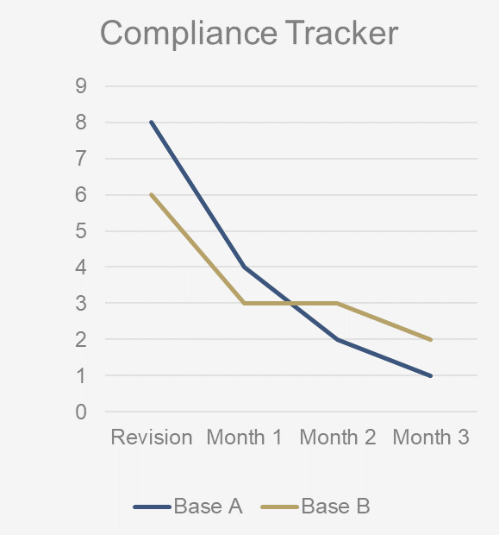

Effectivness Details
Unscheduled Defects Details
Reliability Metrics | Value | Threshold | High or Low
Count of Defects
Mean Time Between Failure (MTBF) (calendar days)
Mean Time Between Failure (MTBF) (flight hours)
Mean Time Between Failure (MTBF) (flight cycles)
Ratio to Scheduled Defects (count of unscheduled defects per scheduled defect)

Maintainability Metrics | Value | Threshold | High or Low
Total Repair Time (All Repairs)
Mean Time To Repair (MTTR) (All Repairs) (Hours)
Total Repair Time (NMC Repairs) (Hours)
MTTR (NMC Repairs) (Hours)
Total Repair Time (PMC Repairs) (Hours)
MTTR (PMC Repairs) (Hours)

Operational Availability | Value | Threshold | High or Low
Mean annual NMC hours per aircraft
Mean annual NMC % decrease per aircraft
Mean annual PMC hours per aircraft
Mean annual PMC % decrease per aircraft

Operational Reliability Metrics | Value | Threshold | High or Low
Count of annual ground aborts per aircraft
Count of annual in-flight aborts per aircraft
Repeat/recur discrepancy rate

Data Quality Metrics (Before Conditioning/Adjudication)
% of repair JCNs with WDC not "3" or "M"
% of repair JCNs with Type Maint Designator "B"
% of task JCNs with HMC Type 1/2

Effectiveness Trend

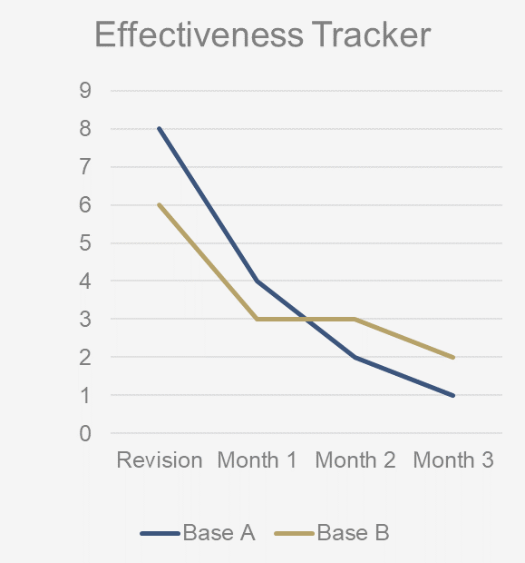

Defects list
Row Headers
Defect 1
Defect 2
….

Optimality Details
Scheduled Defects Details
Reliability Metrics | Value | Threshold | High or Low
Count of Defects
Mean Time Between Failure (MTBF) (calendar days)
Mean Time Between Failure (MTBF) (flight hours)
Mean Time Between Failure (MTBF) (flight cycles)
Ratio to Scheduled Defects (count of unscheduled defects per scheduled defect)

Maintainability Metrics | Value | Threshold | High or Low
Total Repair Time (All Repairs)
Mean Time To Repair (MTTR) (All Repairs) (Hours)
Total Repair Time (NMC Repairs) (Hours)
MTTR (NMC Repairs) (Hours)
Total Repair Time (PMC Repairs) (Hours)
MTTR (PMC Repairs) (Hours)

Other Parameters of Interest
Comercial Interval (Full Utilization)
Comercial Interval (Half Utilization)
B767 Commercial Leader Interval
Mean Man Hours to Repair Defect (Cost Metric)
Total Man Hours to Repair Defect (Cost Metric)

Data Quality Metrics (Before Conditioning/Adjudication)
% of repair JCNs with letter in sixth position
% of repair JCNs with WDC "3" or "M"
% of task JCNs with HMC Type 1/2
% of repair JCNs with Type Maint Designator "E" or "P"

Optimality Trend
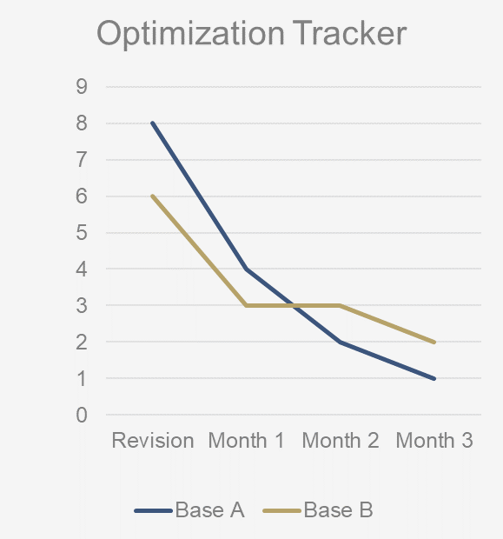

Defects list
Row Headers
Defect 1
Defect 2
….

